jiali
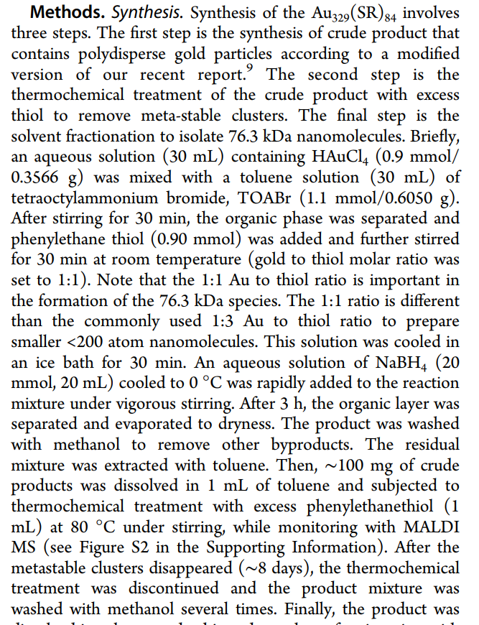
Target | Solvent | Total solvent amount/ml | Ligand Type | Ligand amount/umol (some is inferred from ratio) | HAuCl4 amount/umol (similar with ligand) (393.83) | Ligand to Au molar ratio | Reducing agent | RA amount/mmol | Size focusing agent | pH | Temp for reducing process | Total time/h | atomic precision | final concentration ratio | reference | materials and methods (method) | KZ Comments
Au329(SR)84 | toluene | approx 30 (with 20ml water from RA) | phenylethane thiol | 900 | 900 | 1 to 1 | NaBH4 (37.83) | 20 | extra ligand with 80c |  | 0 | 3 + 8d | yes |  | dx.doi.org/10.1021/ac403851s | Anal. Chem. 2014, 86, 4227−4232 | support information | not sure when they are removing the organic phase, would'nt some of the HAuCl4 come out also?
Au25(SCH2CH2Ph)18 | THF | 102.1 + 20ml aqe for RA | phenylethanethiol | 15400 | 2560 | 6 to 1 | NaBH4 | 25.6 | just wait |  | 25 | total 6d | yes |  | dx.doi.org/10.1021/ac2012653 |Anal. Chem. 2011, 83, 6355–6362 | Experimental section
Au25(capt)18 | methanol | 15ml +5ml aqe | Captoprilz(C9H15NO3S)(217.29) | 1000 | 200 | 5 to 1 | NaBH4 | 2 | no |  |  | 0.5 +16 | no |  | DOI :10.1021/acs.jpcc.5b01475 J. Phys. Chem. C 2015, 119, 6221−6226 | support information
Au102(pMBA)44 | methanol |  | pMBA |  |  | 1 to 3 | NaBH4 |  | no |  | 4 | 2 +? | no ? | in 50v/v methanol ( 3 mM pMBA and 9 mMHAuCl4 and 4.5mM NaBH4) | DOI: 10.1021/acs.jpcc.6b12073 | support information
Au25(pMBA)18/Au36(pMBA)24 | NH4OH(aq) | 10ml | pMBA | 20 | 10 | 2 to 1 | CO 2psi |  | no | 11 | 25 | 3+24 | no |  | DOI: 10.1021/acs.jpcc.6b12073 | Experimental method
[Au37(PPh3)10(SC2H4Ph)10Cl2] | toluene | 8ml | PPh3 (262.29) | 686 | 254 | 2.7 to 1 | NaBH4 | 0.687 | yes extra phenylethylthiol and 313k |  | 25 | 2 + 36 | yes |  | DOI: 10.1021/acsnano.5b03524
Au144(4-MBA)60 | water and methanol | 2.5 times vol | 3-MBA |  |  | 7 to 1 | NaBH4 |  |  |  |  |  | yes | 2.5 mM 3-MBA, 0.36 mM HAuCl4, and 27% (v/v)methanol 2 mM NaBH4 | DOI: 10.1021/acsnano.7b06051 | support | 3-MBA=mMBA=3-Sulfanylbenzoic acid
Au246(p-MBT)80 | toluene | 10ml + 5 aqe | p-MBT | 4000 | 1000 | 4 to 1 | NaBH4 | 10 | yes extra 1ml p-MBT and 1ml toluene 80c |  | 25 | 10min + 10h | yes |  | DOI: 10.1126/science.aak9750 | support
Au25(MPA)18 | water | 5ml | MPA | 10 | 5 | 2 to 1 | NaBH4(prepared by dissolving 43 mg of NaBH4 powder in 10 mL of 0.2 M NaOH solution) | 0.01 | no | basic | 25 | tot 3h | yes |  | anie_201311177_sm_miscellaneous_information.pdf | support
Au25(Cys)18 | water | 5ml | Cys | 10 | 5 | 2 to 1 | NaBH4 | 0.01 | no | basic | 25 | tot 3h | yes |  | anie_201311177_sm_miscellaneous_information.pdf | support
Au25(HCys)18 | water | 5ml | Hcys | 10 | 5 | 2 to 1 | NaBH4 | 0.01 | no | basic | 25 | tot 3h | yes |  | anie_201311177_sm_miscellaneous_information.pdf | support
Au25(MUA)18 | water with 40% ethanol | 5ml | MUA | 10 | 5 | 2 to 1 | NaBH4 | 0.01 | no | basic | 25 | tot 3h | yes |  | anie_201311177_sm_miscellaneous_information.pdf | support
Au25(GSH)18 | water with 60% ethanol | 5ml | GSH | 10 | 5 | 2 to 1 | NaBH4 | 0.01 | no | basic | 25 | tot 3h | yes |  | anie_201311177_sm_miscellaneous_information.pdf | in method
Au25(MPA)18 | water | 5ml | MPA | 10 | 5 | 2 to 1 | 1 bar CO for 2 min |  | no | 12 |  | 2min + 24h | yes |  | DOI 10.1007/s12274-015-0847-2 | method
Au25(MHA)18 | water | 5ml | MHA | 10 | 5 | 2 to 1 | 1 bar CO for 2 min |  | no | 12 |  | 2min + 24h | yes |  | DOI 10.1007/s12274-015-0847-2 | method
Au25(MPA)11(Cyst)7 | water |  | MPA and Cyst |  |  |  | 1 bar CO for 2 min |  |  |  |  |  |  | don’t | DOI 10.1007/s12274-015-0847-2 | method
Au25(MHA)11–14(Cyst)7–4 | water |  | MHA and Cyst |  |  |  | 1 bar CO for 2 min |  |  |  |  |  |  | don’t | DOI 10.1007/s12274-015-0847-2 | main content
Au30S(StBu)18 | THF |  |  |  |  |  | NaBH4 and Na2S |  |  |  |  |  |  | don’t | DOI: 10.1039/c4cc01773k | support
Au25(PET)18 | THF | 7.5ml | PET | 20 | 100 | 1 to 5 | NaBH4 | 1 | no |  |  | ? + 5h | yes |  | DOI 10.1039/C6CC03202H | support
Au34(S-c-C6H11)22 and Au42(S-c-C6H11)26 | THF | 5ml | cyclohexanethiol | 625 | 125 | 5 to 1 | NaBH4 | 1.25 | extra cyclohexanethiol and heat to 40c |  |  | 0.5h+41h | no |  | DOI 10.1039/C6NR09724C | Experimental section
Au38(SC2H4Ph)24 | acetone | 20ml+6mlwater | GSH | 2000 | 500 | 4 to 1 | NaBH4 | 5 | yes extra PhC2H4SH and 80c |  | 0 | 1h+40h | yes |  | DOI: 10.1021/nn901137h | support
Au10-12(SG)10-12 | water | 250ml | GSH | 500 | 250 | 2 to 1 | 1 bar of CO for 2 min |  | no | 7 | 25 | 2min + 24h | yes |  | dx.doi.org/10.1021/cm304098x | support
Au15(SG)13 | water | 250ml | GSH | 500 | 250 | 2 to 1 | 1 bar of CO for 2 min |  | no | 9 | 25 | 2min + 24h | yes |  | dx.doi.org/10.1021/cm304098x | support
Au18(SG)14 | water | 250ml | GSH | 500 | 250 | 2 to 1 | 1 bar of CO for 2 min |  | no | 10 | 25 | 2min + 24h | yes |  | dx.doi.org/10.1021/cm304098x | support
Au25(SG)18 | water | 250ml | GSH | 500 | 250 | 2 to 1 | 1 bar of CO for 2 min |  | no | 11 | 25 | 2min + 24h | yes |  | dx.doi.org/10.1021/cm304098x | support
Au15(MPA)13 | water | 250ml | MPA | 500 | 250 | 2 to 1 | 1 bar of CO for 2 min |  | no | 10 | 25 | 2min + 24h | yes |  | dx.doi.org/10.1021/cm304098x | support
Au18(MPA)14 | water | 250ml | MPA | 500 | 250 | 2 to 1 | 1 bar of CO for 2 min |  | no | 11 | 25 | 2min + 24h | yes |  | dx.doi.org/10.1021/cm304098x | support
Au25(MPA)18 | water | 250ml | MPA | 500 | 250 | 2 to 1 | 1 bar of CO for 2 min |  | no | 12 | 25 | 2min + 24h | yes |  | dx.doi.org/10.1021/cm304098x | experimental
Au18(SC6H11)14 | CH2Cl2 | 10ml | 1-cyclohexanethiol | 1021 | 250 | 4 to 1 | NaBH4 | 0.5 | no |  |  | 5h | yes |  | DOI: 10.1002/anie.201410161

Au55(SC2H4Ph)31 | acetone | 20ml | GSH | 2000 | 500 | 4 to 1 | NaBH4 | 5 in 6ml water | yes extra PhC2H4SH and 80c |  | 0 |  | no |  | 10.1039/c1cc15099e | support
Au144(C6H13SH)60 | methanol | 15ml | 1-hexanethiol | 1590 | 300 | 5.3 to 1 | NaBH4 | 3 in 6ml water | no |  | 25 |  | no |  | dx.doi.org/10.1021/cm200143s | Experimental section
Au23(c-C6)16 | methanol | 15ml | cyclohexanethiol | 1600 | 300 | 5.3 to 1 | NaBH4 | 3 in 6ml water | no |  | 25 |  | yes |  | dx.doi.org/10.1021/ja409177s | support
Au144(SC6H13) | methanol | 30ml | 1-hexanethiol | 3180 | 600 | 5.3 to 1 | NaBH4 | 12 in 24ml water | no |  | 0 |  | yes |  | dx.doi.org/10.1021/ja409998j | support
Au99(SPh)42 | CH2CL2 | 15ml | SPh | 420 | 210 | 2 to 1 | NaBH4 | 2.1 in 5ml water | yes extra thiol 1ml 80c |  | 25 |  | yes |  | dx.doi.org/10.1021/ja500121v | experimental

